Data Ingestion Checks
Scenario | TestCase_ID | Description | Test Steps | SQL Query | Expected Result | Actual Result | Status | Test Evidence
Source File Data Load Validation | TC01 | Validate if Customer file is loaded into Databricks | 1. Install Databricks 2. Load the Customer.xls file in "Bring in Data" 3. Import the file as Databricks table "Customer" | select count(*) from customer | Record count should match with the source Csv file count (250 records) | Record count matches with the source file | Pass | 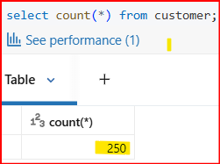
 | TC02 | Validate if Order file is loaded into Databricks | 1. Load the Order.csv file in "Bring in Data" 2. Import the file as Databricks table "Orders" | select count(*) from orders | Record count should match with the source Csv file count (250 records) | Record count matches with the source file | Pass | 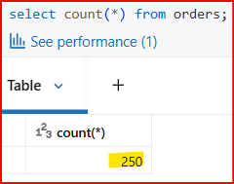
 | TC03 | Validate if Shipping file is loaded into Databricks | 1. Load the Shipping.json file in "Bring in Data" 2. Import the file as Databricks table "Shipping" | select count(*) from shipping | Record count should match with the source Json file count (250 records) | Record count matches with the source file | Pass | 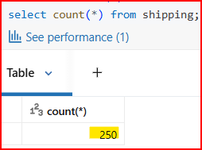
Schema Validation | TC01 | Validate schema of customers table | 1. Run query to view schema. 2. Compare columns with customer source file. 3. Check the Data type of the columns | describe customer | Columns "customer_id, first, last, age, country" and data type should match source schema. | Column names and data types match with source file | Pass | 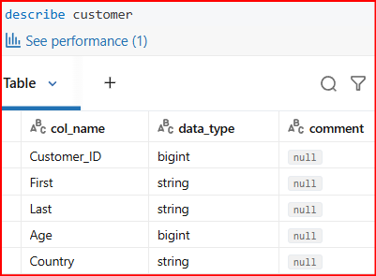
 | TC02 | Validate schema of orders table | 1. Run query to view schema 2. Compare columns with order source file. 3. Check the Data type of the columns | describe orders | Columns "order_id, item, amount, customer_id" and data type should match source schema. | Column names and data types match with source file | Pass | 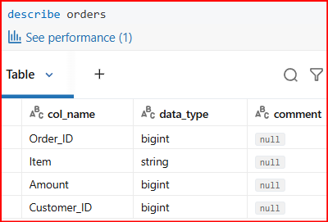
 | TC03 | Validate schema of shipping table | 1. Run query to view schema 2. Compare columns with shipping source file 3. Check the Data type of the columns | describe shipping | Columns "shipping_id, status, customer_id" and and data type should match source schema. | Column names and data types match with source file | Pass | 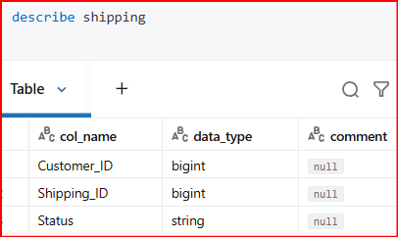
Data comparison Checks | TC07 | Validate Customer file data matches Databricks Customer table | 1. Extract Customer table data from Databricks 2. Compare with Customer source file using Python reconciliation script | Python code | All records in Customer.csv file should match with Databricks Customer table | All records matched with the source file | Pass | 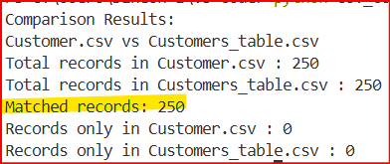
 | TC08 | Validate Orders file data matches Databricks Orders table | 1. Extract Orders table data from Databricks 2. Compare with Orders source file using Python reconciliation script | Python code | All records in Orders.csv file should match with Databricks Orders table | All records matched with the source file | Pass | 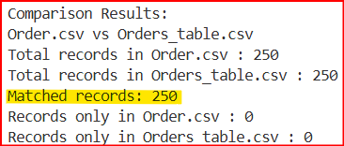
 | TC09 | Validate Shipping file data matches Databricks Shipping table | 1. Extract Shipping table data from Databricks 2. Compare with Shipping source file using Python reconciliation script | Python code | All records in Shipping.json file should match with Databricks Shipping table | All records matched with the source file | Pass

Requirement Checks
Scenario | TestCase_ID | Description | Test Steps | SQL Query | Expected Result | Actual Result | Status | Test Evidence
Referential integrity checks | TC_01 | Validate referential integrity between orders and customers | 1. Use left join between Orders and Customer tables with the "Customer_id" key 2. Ensure all Order_ids have valid customer by using "Null check" for Customer_id | select * from orders o left join customer c on o.customer_id=c.customer_id where c.customer_id is null | No records should be returned | No records returned as expected | Pass
 | TC_02 | Validate referential integrity between shipping and customers | 1. Use left join between Shipping and Customer tables with the "Customer_id" key 2. Ensure all Shipping_ids have valid customer by using "Null check" for Customer_id | select * from shipping s left join customer c on s.customer_id=c.customer_id where c.customer_id is null | No records should be returned | No records returned as expected | Pass
Requirement 1 check: Total amount spent for Pending delivery status of the countries | TC_03 | Validate Pending delivery filter | 1. Retrieve pending shipments using Status filter in "where" clause | select * from shipping where status='Pending' | Only Pending status records should be returned | Only Pending status records returned | Pass | 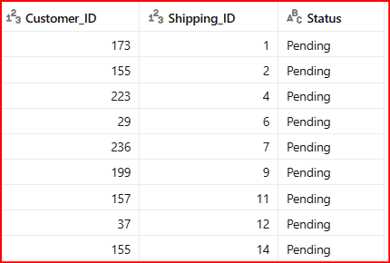
 | TC_04 | Validate the join conditions required for the requirement | 1. Join Orders, Customer and Shipping tables with the "Customer_id" key | select c.country, o.amount from orders o join customer c on o.customer_id = c.customer_id join shipping s on s.customer_id = c.customer_id where s.status = 'Pending' | Tables are joined and data should be retrieved as expected | Tables are joined as expected | Pass | 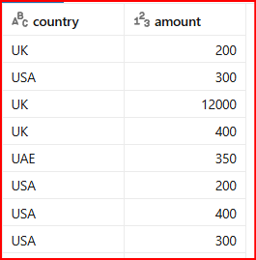
 | TC_05 | Validate aggregation (sum) country wise to get the Total amount spent for Pending delivery status of the countries | 1. Use "Group by" clause to group all the records by the countries 2. Check the aggregated value by using "sum" function of all the grouped amounts | select c.country, sum(o.amount) Total_amount_spent from orders o join customer c on o.customer_id = c.customer_id join shipping s on s.customer_id = c.customer_id where s.status = 'Pending' group by c.country | The country wise sum of amount should be retrieved | The country wise sum is retreived as expected | Pass | 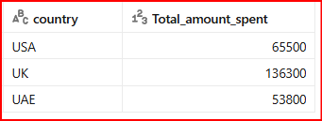
Requirement 2 check: Total number of transactions, total quantity sold, and total amount spent for each customer, along with the product details | TC_06 | Validate the join conditions required to fetch the orders of each Customer | 1. Join Orders and Customer tables with the "Customer_id" key | select c.customer_id, o.order_id,o.item, o.amount from orders o join customer c on o.customer_id = c.customer_id | Tables are joined and data should be retrieved as expected | Tables are joined as expected | Pass
 | TC_07 | Validate the group by logic by grouping the records by Customer_id, Customer name and item to make sure that we also get product details | 1. Use "Group by" clause to group all the records by the Customer_id and item 2. Make sure that "Group by" clause has grouped records by Customer and item | select c.customer_id, c.first, c.last, o.item from orders o join customer c on o.customer_id = c.customer_id group by c.customer_id, c.first, c.last, o.item | Records should be grouped by the Customer_id and item | Records are grouped by Customer_id amd item as expected | Pass | 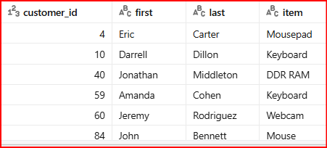
 | TC_08 | Validate aggregation (count) Customer wise to get the Total number of transactions, total quantity sold, and total amount spent for each customer | 1. Calculate the aggregated value by using "Count(order_id)" to get the Total number of transactions 2. Calculate the aggregated value by using "Count(item)" to get the Total quantity sold 3. Calculate the aggregated value by using "Sum(amount)" to get the Total amount spent | select c.customer_id, c.first, c.last, o.item, count(o.order_id) Total_transactions, count(o.item) Total_quantity_sold, sum(o.amount) Total_amount_spent from orders o join customer c on o.customer_id = c.customer_id group by c.customer_id, c.first, c.last, o.item | Total number of transactions, total quantity sold, and total amount spent for each customer should be populated along with the product details | Total number of transactions, total quantity sold, and total amount is populated along with the product details | Pass | 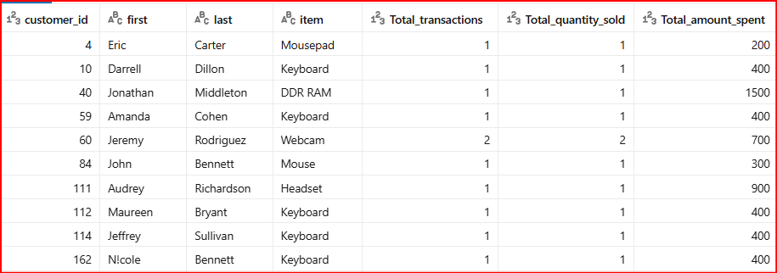
 | TC_09 | Validate if all the items in the Orders table has consistent prices, which can be considered as single quantity since Quantity column is not available in Orders table | 1. Group the records item wise from Orders table 2. Find the count of distinct prices of all the products. 3. Find the Items with multiple prices using Count(distinct amount) | select distinct amount, item from orders where item = ( select o.item from orders o join customer c on o.customer_id = c.customer_id group by item having count(distinct amount)>1) | All the items should have unique price | Mousepad with multiple amounts is displayed. Could be different variety of Mousepad | Observation
Requirement 3 check: Maximum product purchased for each country | TC_10 | Validate the join conditions required to fetch the product details for each customer | 1. Join Orders and Customer tables with the "Customer_id" key | select c.country, o.item from orders o join customer c on o.customer_id = c.customer_id | Tables are joined and data should be retrieved as expected | Tables are joined as expected | Pass | 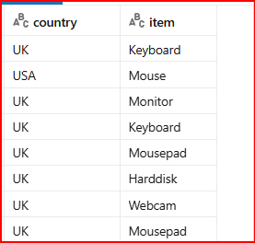
 | TC_11 | Validate aggregation "Count(item)" country and item wise to populate the Total quantity purchased | 1. Use "Group by" clause to group all the records by Customer_id and item 2. Check the aggregated value by using "count" function of all the grouped items to get Total quantity purchased | select c.country, o.item, count(o.item) Quantity_purchased from orders o join customer c on o.customer_id = c.customer_id group by c.country, o.item | Records should be grouped country and item wise and the Quantity purchased should be as expected | Records are grouped by Country and item as expected | Pass | 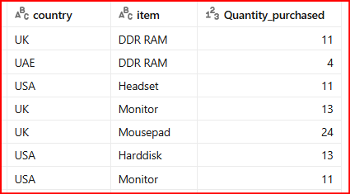
 | TC_12 | Validate highest purchased product logic | 1. Use Dense_rank and partition by based on the country 2. Order the items count in descending order 3. Fetch the top record which has max count(rank = 1) | select country, item, Quantity_purchased from ( select c.country, o.item, count(o.item) Quantity_purchased, dense_rank() over (partition by c.country order by count(o.item) desc) rn from orders o join customer c on o.customer_id = c.customer_id group by c.country, o.item) t where rn = 1 | Highest product count should be returned per country | Highest product count is returned per country as expected | Pass
Requirement 4 check: Most purchased product based on the age category less than 30 and above 30. | TC_13 | Validate the join conditions required for to fetch the purchase details for each customer | 1. Join Orders and Customer tables with the "Customer_id" key | select c.customer_id, age, item from orders o join customer c on o.customer_id = c.customer_id | Tables are joined and data should be retrieved as expected | Tables are joined as expected | Pass | 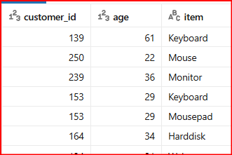
 | TC_14 | Validate age category logic for above and below 30 age group | 1. Use case statement using age column to separate Customers into Above 30 and Below 30 age category | select c.customer_id, age, case when c.age < 30 then 'Below 30' else 'Above 30' end as age_group from orders o join customer c on o.customer_id = c.customer_id | Customers should be separated into above 30 and below 30 age groups | Customers are separated into above 30 and below 30 age groups as expected | Pass | 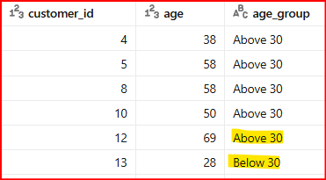
 | TC_15 | Validate aggregation "Count(item)" Age group and item wise to populate the Total purchases | 1. Use "Group by" clause to group all the records by Age group and item 2. Check the aggregated value by using "count" function of all the grouped items to get Total purchases | select case when c.age < 30 then 'Below 30' else 'Above 30' end as age_group, o.item, count(o.item) Total_purchases from orders o join customer c on o.customer_id = c.customer_id group by case when c.age < 30 then 'Below 30' else 'Above 30' end, o.item | Records should be grouped Age group wise and item wise and the Total purchases should be as expected | Records are grouped by Age group and item as expected | Pass | 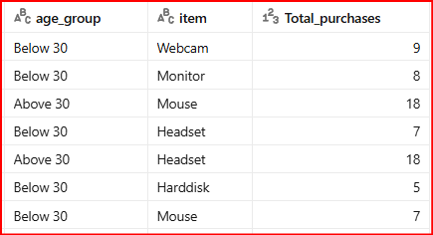
 | TC_16 | Validate most purchased item for age groups (Above 30 and Below 30) | 1. Use Dense_rank and partition by based on the Age group and item 2. Order the items count in descending order 3. Fetch the top record which has max count(rank = 1) | select age_group, item, Total_purchases from ( select case when c.age < 30 then 'Below 30' else 'Above 30' end as age_group, o.item, count(o.item) Total_purchases, dense_rank() over (partition by case when c.age < 30 then 'Below 30' else 'Above 30' end order by count(o.item) desc) rn from orders o join customer c on o.customer_id = c.customer_id group by case when c.age < 30 then 'Below 30' else 'Above 30' end, o.item) t where rn = 1 | Highest purchased item should be displayed for age groups (Above 30 and Below 30) | Highest purchased item is displayed for age groups as expected | Pass
Requirement 5 check: Country having minimum transactions and sales amount. | TC_17 | Validate the join conditions required to fetch the Transaction details for each country | 1. Join Orders and Customer tables with the "Customer_id" key | select c.country, o.order_id, o.amount from orders o join customer c on o.customer_id = c.customer_id | Tables are joined and data should be retrieved as expected | Tables are joined as expected | Pass | 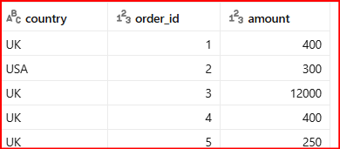
 | TC_18 | Validate minimum sales amount by country | 1. Use "Group by" clause to group all the records by Country 2. Check the aggregated value by using "count" function of all the grouped items to get Total transactions 3. Check the aggregated value by using "sum" function of all the grouped items to get Total sales | select c.country, count(o.order_id) as total_transactions, sum(o.amount) as total_sales from orders o join customer c on o.customer_id = c.customer_id group by c.country | Country wise total transactions and total sales should be calculated | Country wise total transactions and total sales are calculated as expected | Pass
 | TC_19 | Validate country with lowest transactions and sales | 1. Use Dense_rank and partition by based on the Country 2. Order the sales sum and transaction count in ascending order 3. Fetch the top record which has min transactions and sales(rank = 1) | select country, total_transactions, total_sales from ( select c.country, count(o.order_id) as total_transactions, sum(o.amount) as total_sales, dense_rank() over(order by count(o.order_id), sum(o.amount)) as rnk from orders o join customer c on o.customer_id = c.customer_id group by c.country) t where rnk = 1 | Country with lowest transactions and sales should be displayed | Country with lowest transactions and sales is displayed as expected | Pass

